Cover
Acoustic Resonance in BB3 Long Crossovers (linked to SOP-491)

INSTRUCTIONS
-use the module to evaluate possible acoustic resonance in BB3 long crossovers
-fill only field of input data are in yellow cells
-for "Fluid" cell it is possible to select the type of fluid and sound speed cell C16 is automatically filled in (value in cell C15 is not used) or select manual and insert wanted sound speed value in cell C16
-calculated data are in white cells
-if the separation margin is less than 20% one of the following countermeasures needs to be evaluated:
-> change the number of impeller vanes for the impeller discharging into the crossover stage
-> change the destaging arrangement (if used) to reduce the length of the crossover passage
-> lockout certain speed ranges
-> use an accumulator attached to the crossover passage to alter the effective speed of sound

0 | 2024-05-16 | First issue | R&D - M.Biolo | QA/HSEM C.Delli Quadri - M.Tremolada | R&D Manager / M.Borghetti
Rev. | Date | Description | Prepared | Checked | Approved
Mod.472-0

Input_Output
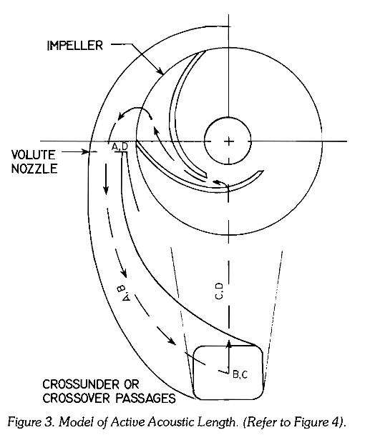
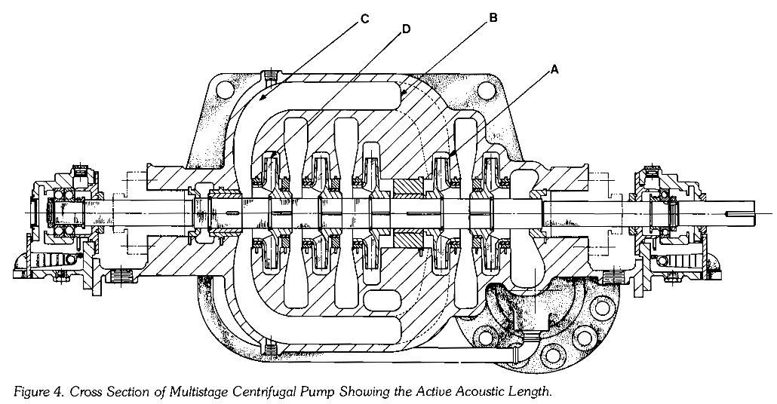
Acoustic Resonance in BB3 Long Crossovers
JOB | 24I003 |  |  | Service & Fluid Type |  | Butane
I.O. Number | 86988 |  |  | Pump Size |  | TF-AX3-D 3x6x10
Customer | Rangeland |  |  | Date/Name |  | 15-05-2024 / M. Biolo

Input Data
Stage length (1 stage) |  | 105 | mm |  | Minimum number of stages |  |  | 5
Vane # of impeller @ crossover entry |  | 5 |  |  | Maximum number of stages |  |  | 12
Required number of stages for pump |  | 10 |  |  | Minimum pump speed |  |  | 4710 | rpm
Pump rated speed |  | 5220 | rpm |  | Maximum pump speed |  |  | 5220 | rpm
Crossover passage length @ required number of stages (LA-B-C-D) |  | 1503 | mm | [1]
Crossover passage length @ maximum number of stages |  | 1608 | mm |  | Crossover passage length @ minimum number of stages |  |  | 1188 | mm

Fluid | Manual Input of Sound Velocity |  |  |  | Pump configuration |  | Double suction
Speed of sound in fluid (user input) |  | 943 | m/s | [2] | Separation margin shall be >= 20%
Selected speed of sound in fluid |  | 943 | m/s

Output Data in Terms of Frequency
Half-wave resonance f = N a/(2L), N=1,2,3…harmonic where speed of sound a = λ f

Critical frequency f |  | 314 | Hz
Critical pump speed |  | 3764 | rpm
Separation margin @ rated speed |  | -27.9 | %

Output Data in Terms of Wave Length
 |  |  |  | λ 1/2 | λ | λ 3/2
Critical passage length at 4710 rpm [mm]: |  |  |  | 1201 | 2403 | 3604
Critical passage length at 5220 rpm [mm]: |  |  |  | 1084 | 2168 | 3252
 |  |  |  |  |  |  |  |  |  | REFERENCES
Separation margin for a 5 stage pump at 4710 [rpm]: |  |  |  | 1.1% | 102.2% | 203.4% | Warning <20% |  |  | [1] Randal E. Schwartz and Richard M. Nelson, Acoustic Resonance Phenomena in High Energy Variable Speed Centrifugal Pumps, Proceeding of the First International Pump Symposium
Separation margin for a 5 stage pump at 5220 [rpm]: |  |  |  | -8.8% | 82.5% | 173.7% | Warning <20% |  |  | [2] NIST Chemistry WebBook, SRD 69, https://webbook.nist.gov/chemistry/fluid/
Separation margin for a 12 stage pump at 4710 [rpm]: |  |  |  | -25.3% | 49.4% | 124.1%
Separation margin for a 12 stage pump at 5220 [rpm]: |  |  |  | -32.6% | 34.8% | 102.2%

Separation margin for a 10 stage pump at 4710 rpm: |  |  |  | -20.1% | 59.9% | 139.8%
Separation margin for a 10 stage pump at 5220 rpm: |  |  |  | -27.9% | 44.2% | 116.3%

 | 0.5 wave critical length |  | 1.0 wave critical length |  | 1.5 wave critical length |  | 5 stage pump passage length |  | 10 stage pump passage length |  | 12 stage pump passage length
1000 | 5658 | 1000 | 11316 | 1000 | 16974 | 4710 | 1188 | 4710 | 1503 | 4710 | 1608
1500 | 3772 | 1500 | 7544 | 1500 | 11316 | 5220 | 1188 | 5220 | 1503 | 5220 | 1608
2000 | 2829 | 2000 | 5658 | 2000 | 8487
2500 | 2263 | 2500 | 4526 | 2500 | 6790
3000 | 1886 | 3000 | 3772 | 3000 | 5658
3500 | 1617 | 3500 | 3233 | 3500 | 4850
4000 | 1415 | 4000 | 2829 | 4000 | 4244
4500 | 1257 | 4500 | 2515 | 4500 | 3772
5000 | 1132 | 5000 | 2263 | 5000 | 3395
5500 | 1029 | 5500 | 2057 | 5500 | 3086
6000 | 943 | 6000 | 1886 | 6000 | 2829

